Schedule
Die große Winterreise nach Amerika mit MS Amera
AMR127 | 103 Tage | 13.01.2025 - 26.04.2025

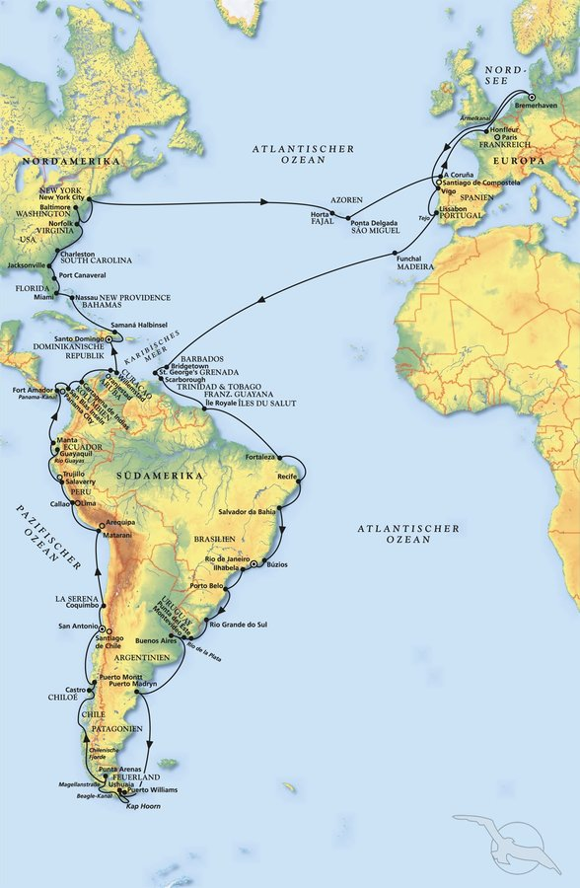
D | Date | Day | A/B/C | STA | STD | Port | Port Code
1 | 13-Jan-25 | 2025-01-13 | B | 9:00:00 | 18:00:00 | BREMERHAVEN | DEBRV
2 | 14-Jan-25 | 2025-01-14 | C | - | - | At sea | -
3 | 15-Jan-25 | 2025-01-15 | C | - | - | At sea | -
4 | 16-Jan-25 | 2025-01-16 | C | - | - | At sea | -
5 | 17-Jan-25 | 2025-01-17 | B | 8:00:00 | 13:00:00 | Vigo | ESVGO
6 | 18-Jan-25 | 2025-01-18 | B | 9:00:00 | 18:00:00 | Lisbon | PTLIS
7 | 19-Jan-25 | 2025-01-19 | C | - | - | At sea | -
8 | 20-Jan-25 | 2025-01-20 | B | 8:30:00 | 17:30:00 | Funchal, Madeira | PTFNC
9 | 21-Jan-25 | 2025-01-21 | C | - | - | At sea | -
10 | 22-Jan-25 | 2025-01-22 | C | - | - | At sea | -
11 | 23-Jan-25 | 2025-01-23 | C | - | - | At sea | -
12 | 24-Jan-25 | 2025-01-24 | C | - | - | At sea | -
13 | 25-Jan-25 | 2025-01-25 | C | - | - | At sea | -
14 | 26-Jan-25 | 2025-01-26 | C | - | - | At sea | -
15 | 27-Jan-25 | 2025-01-27 | B | 13:00:00 | 20:00:00 | Bridgetown | BBBGI
16 | 28-Jan-25 | 2025-01-28 | B | 8:00:00 | 18:00:00 | St. George's | GDSTG | RQ 08:00-18:30
17 | 29-Jan-25 | 2025-01-29 | B | 8:00:00 | 17:00:00 | Scarborough | TTSCA
18 | 30-Jan-25 | 2025-01-30 | C | - | - | At sea | -
19 | 31-Jan-25 | 2025-01-31 | A | 11:00:00 | 17:00:00 | Iles du Salut | GF*** | RQ 11:30-18:00
20 | 1-Feb-25 | 2025-02-01 | C | - | - | At sea | -
21 | 2-Feb-25 | 2025-02-02 | C | - | - | At sea | -
22 | 3-Feb-25 | 2025-02-03 | B | 12:00:00 | 22:00:00 | Fortaleza | BRFOR
23 | 4-Feb-25 | 2025-02-04 | C |  |  | At sea | -
24 | 5-Feb-25 | 2025-02-05 | B | 8:00:00 | 23:00:00 | Recife | BRREC
25 | 6-Feb-25 | 2025-02-06 | C | - | - | At sea | -
26 | 7-Feb-25 | 2025-02-07 | B | 8:00:00 | 18:00:00 | Salvador Bahia | BRSSA
27 | 8-Feb-25 | 2025-02-08 | C | - | - | At sea | -
28 | 9-Feb-25 | 2025-02-09 | A | 14:00:00 | 22:00:00 | Buzios | BRBZC
29 | 10-Feb-25 | 2025-02-10 | B | 8:00:00 | - | Rio de Janeiro | BRRIO
1 | 11-Feb-25 | 2025-02-11 | B | - | - | RIO DE JANEIRO | BRRIO
2 | 12-Feb-25 | 2025-02-12 | B | - | 20:00:00 | Rio de Janeiro | BRRIO
3 | 13-Feb-25 | 2025-02-13 | A | 8:00:00 | 17:00:00 | Ilhabela | BRIBE
4 | 14-Feb-25 | 2025-02-14 | A/B | 12:00:00 | 23:00:00 | Porto Belo | BRPBO
5 | 15-Feb-25 | 2025-02-15 | C | - | - | At sea | -
6 | 16-Feb-25 | 2025-02-16 | B | 8:00:00 | 15:00:00 | Rio Grande | BRRIG
7 | 17-Feb-25 | 2025-02-17 | A | 9:00:00 | 20:00:00 | Punta del Este | UYPDP
8 | 18-Feb-25 | 2025-02-18 | B | 7:00:00 | 18:00:00 | Montevideo | UYMVD
9 | 19-Feb-25 | 2025-02-19 | B | 8:00:00 | - | Buenos Aires | ARBUE
10 | 20-Feb-25 | 2025-02-20 | B | - | 18:00:00 | Buenos Aires | ARBUE
11 | 21-Feb-25 | 2025-02-21 | C | - | - | At sea | -
12 | 22-Feb-25 | 2025-02-22 | C | - | - | At sea | -
13 | 23-Feb-25 | 2025-02-23 | B | 7:00:00 | 19:00:00 | Puerto Madryn | ARPMY
14 | 24-Feb-25 | 2025-02-24 | C | - | - | At sea | -
15 | 25-Feb-25 | 2025-02-25 | C | - | - | At sea | -
16 | 26-Feb-25 | 2025-02-26 | B | 8:00:00 | 20:00:00 | Ushuaia | ARUSH
17 | 26-Feb-25 | 2025-02-26 | A | 22:00:00 | 23:00:00 | Puerto Williams - TECH STOP | CLWPU
18 | 27-Feb-25 | 2025-02-27 | C | - | - | Cape Horn - Cruising Terra del Fuego | -
19 | 28-Feb-25 | 2025-02-28 | B | 13:00:00 | 18:00:00 | Punta Arenas | CLPUQ | RQ ETD 1900
20 | 1-Mar-25 | 2025-03-01 | C | - | - | Cruising Chilenian Fjords | -
21 | 2-Mar-25 | 2025-03-02 | C | - | - | Cruising Chilenian Fjords | -
22 | 3-Mar-25 | 2025-03-03 | A | 9:00:00 | 15:00:00 | Chacabuco | CLPCH
23 | 4-Mar-25 | 2025-03-04 | A/B | 9:00:00 | 20:00:00 | Castro, Chiloe Island | CLWCA | RQ ETA 0730
24 | 5-Mar-25 | 2025-03-05 | A/B | 7:00:00 | 17:00:00 | Puerto Montt | CLPMC | RQ ETD 1800
25 | 6-Mar-25 | 2025-03-06 | C | - | - | At sea | -
1 | 7-Mar-25 | 2025-03-07 | B | 9:00:00 | - | SAN ANTONIO | CLSAI
2 | 8-Mar-25 | 2025-03-08 | B | - | 18:00:00 | San Antonio | CLSAI
3 | 9-Mar-25 | 2025-03-09 | B | 12:00:00 | 22:00:00 | Coquimbo | CLCQQ
4 | 10-Mar-25 | 2025-03-10 | C | - | - | At sea | -
5 | 11-Mar-25 | 2025-03-11 | C | - | - | At sea | -
6 | 12-Mar-25 | 2025-03-12 | B | 7:00:00 | 23:00:00 | Matarani | PEMRI
7 | 13-Mar-25 | 2025-03-13 | C | - | - | At sea | -
8 | 14-Mar-25 | 2025-03-14 | B | 8:00:00 | - | Callao | PECLL
9 | 15-Mar-25 | 2025-03-15 | B | - | 13:00:00 | Callao | PECLL
10 | 16-Mar-25 | 2025-03-16 | B | 9:00:00 | 18:00:00 | Salaverry | PESVY
11 | 17-Mar-25 | 2025-03-17 | C | - | - | At sea | -
12 | 18-Mar-25 | 2025-03-18 | B | 8:00:00 | 18:00:00 | Guayaquil | ECGYE
13 | 19-Mar-25 | 2025-03-19 | B | 10:00:00 | 18:00:00 | Manta | ECMEC
14 | 20-Mar-25 | 2025-03-20 | C | - | - | At sea | -
15 | 21-Mar-25 | 2025-03-21 | B | 12:00:00 | 20:00:00 | Fort Amador | PAPTY
16 | 21-Mar-25 | 2025-03-21 | A | 22:00:00 | 6:00:00 | Anchorage position Panama - Pacific | -
17 | 22-Mar-25 | 2025-03-22 | C | - | - | Transit Panama Canal | -
18 | 23-Mar-25 | 2025-03-23 | A | 7:00:00 | 15:00:00 | San Blas Island | PANBL
19 | 24-Mar-25 | 2025-03-24 | B | 8:00:00 | 23:00:00 | Cartagena de Indias | COCTG
20 | 25-Mar-25 | 2025-03-25 | C | - | - | At sea | -
21 | 26-Mar-25 | 2025-03-26 | B | 8:00:00 | 23:00:00 | Oranjestad | AWORJ
22 | 27-Mar-25 | 2025-03-27 | B | 8:00:00 | 23:00:00 | Willemstad | CWWIL
23 | 28-Mar-25 | 2025-03-28 | C | - | - | At sea | -
1 | 29-Mar-25 | 2025-03-29 | B | 8:00:00 | - | SANTO DOMINGO | DOSDQ
2 | 30-Mar-25 | 2025-03-30 | B | - | 14:00:00 | Santo Domingo | DOSDQ
3 | 31-Mar-25 | 2025-03-31 | A | 7:00:00 | 17:00:00 | Samana | DOAZS
4 | 1-Apr-25 | 2025-04-01 | C | - | - | At sea | -
5 | 2-Apr-25 | 2025-04-02 | B | 12:00:00 | 18:00:00 | Nassau | BSNAS
6 | 3-Apr-25 | 2025-04-03 | B | 9:00:00 | 19:00:00 | Miami | USMIA
7 | 4-Apr-25 | 2025-04-04 | B | 8:00:00 | 17:00:00 | Port Canaveral | USPCV
8 | 5-Apr-25 | 2025-04-05 | B | 14:00:00 | - | Charleston | USCHS
9 | 6-Apr-25 | 2025-04-06 | B | - | 15:00:00 | Charleston | USCHS
10 | 7-Apr-25 | 2025-04-07 | C | - | - | At sea | -
11 | 8-Apr-25 | 2025-04-08 | B | 8:00:00 | 18:00:00 | Norfolk | USORF
12 | 9-Apr-25 | 2025-04-09 | B | 8:00:00 | 23:00:00 | Baltimore | USBAL
13 | 10-Apr-25 | 2025-04-10 | C | - | - | At sea | -
14 | 11-Apr-25 | 2025-04-11 | B | 9:00:00 | - | New York | USNYC
15 | 12-Apr-25 | 2025-04-12 | B | - | 17:00:00 | New York | USNYC
16 | 13-Apr-25 | 2025-04-13 | C | - | - | At sea | -
17 | 14-Apr-25 | 2025-04-14 | C | - | - | At sea | -
18 | 15-Apr-25 | 2025-04-15 | C | - | - | At sea | -
19 | 16-Apr-25 | 2025-04-16 | C | - | - | At sea | -
20 | 17-Apr-25 | 2025-04-17 | C | - | - | At sea | -
21 | 18-Apr-25 | 2025-04-18 | B | 14:00:00 | 20:00:00 | Horta | PTHOR
22 | 19-Apr-25 | 2025-04-19 | B | 8:00:00 | 18:00:00 | Ponta Delgada | PTPDL
23 | 20-Apr-25 | 2025-04-20 | C | - | - | At sea | -
24 | 21-Apr-25 | 2025-04-21 | C | - | - | At sea | -
25 | 22-Apr-25 | 2025-04-22 | B | 8:00:00 | 15:00:00 | La Coruna | ESLCG
26 | 23-Apr-25 | 2025-04-23 | C | - | - | At sea | -
27 | 24-Apr-25 | 2025-04-24 | B | 9:00:00 | 19:00:00 | Honfleur | FRHON
28 | 25-Apr-25 | 2025-04-25 | C | - | - | At sea | -
- | 26-Apr-25 | 2025-04-26 | B | 9:00:00 | 18:00:00 | BREMERHAVEN | DEBRV

